Introduction
TECHNOLOGY MATURITY ASSESSMENT TOOL
Introduction

Welcome to the technology maturity assessment tool of the Circular Business Models in the Nordic Manufacturing Industry program! The purpose of this tool is to support you in assessing the maturity of your organisation in technologies enabling circular economy business models and in prioritising them for development. Please note that the tool should be used only for one circular business model, meaning that you should create a separate copy of the Excel file for each business model you want to assess.

Content overview

Sheet | Description

Introduction | Introduction of the tool purpose, content and key user instructions.

Technology assessment | Sheet for assessing organisational maturity in enabling technologies.

User instructions

1. Select circular business model in the drop-down.

2. Assess current level of maturity, complexity to implement and strategic importance for relevant technologies. (highlighted with color).

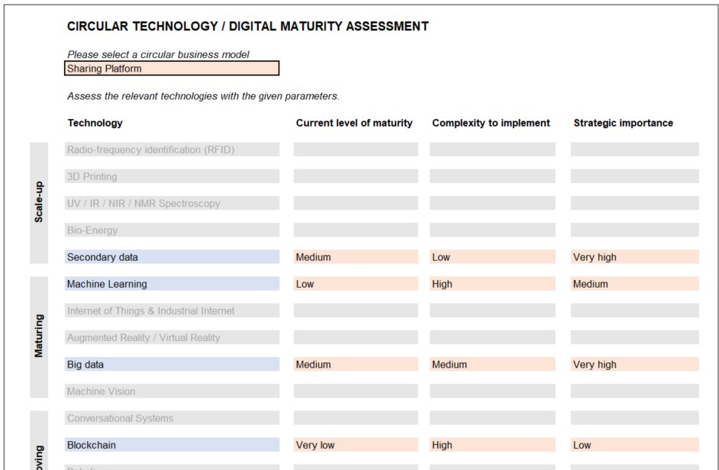

3. View prioritisation matrix.

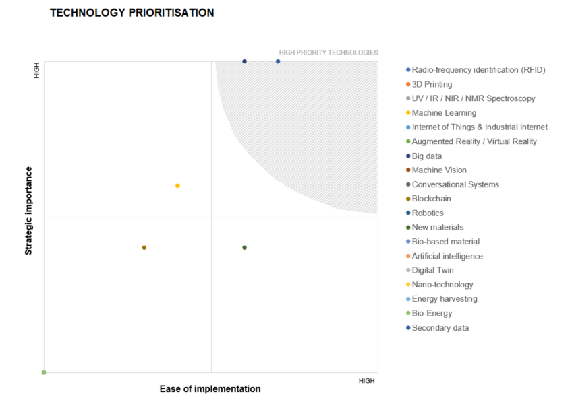

4. List activities needed to close internal technology gaps and define high-level organisational responsibilities for each activity.

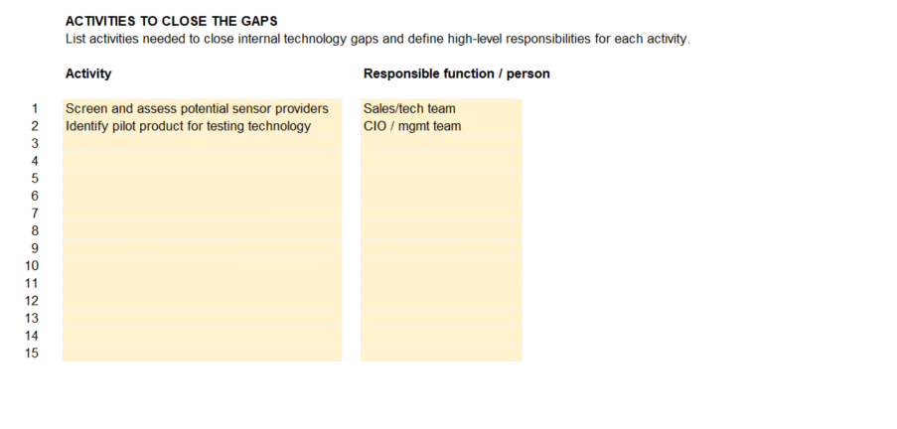

Supporting materials

Circular Economy Playbook - Chapter 4: Which technologies can support?
Overview of 19 technologies enabling circular business models & detailed technology descriptions

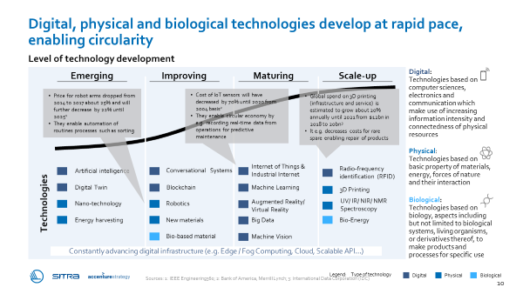
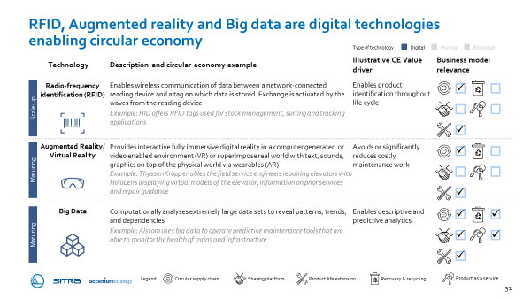
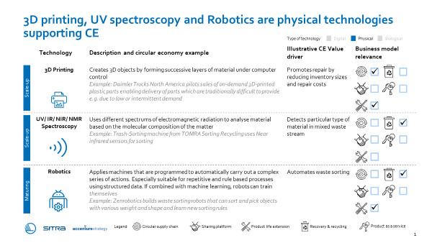

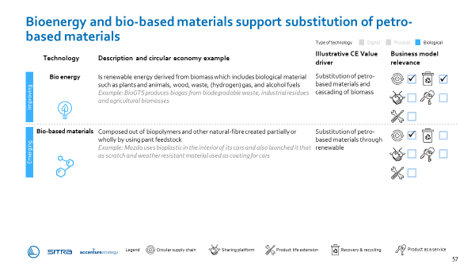

Illustrative playbook pages - please refer to entire chapter for support

Technology assessment
 | CIRCULAR TECHNOLOGY / DIGITAL MATURITY ASSESSMENT |  |  |  | LEGEND

 | Please select a circular business model |  |  |  |  | Input required
 |  |  |  |  |  | Not applicable

 | Assess the relevant technologies with the given parameters. |  |  |  |  | Digital
 |  |  |  |  |  | Physical
 | Technology | Current level of maturity | Complexity to implement | Strategic importance |  | Biological

Scale-up | Radio-frequency identification (RFID)
 |  |  |  |  | INSTRUCTIONS
 | 3D Printing
 |  |  |  |  | 1. Select circular business model
 | UV / IR / NIR / NMR Spectroscopy
 |  |  |  |  | 2. Assess the relevant technologies with given parameters
 | Bio-Energy

 | Secondary data

Maturing | Machine Learning |  |  |  | Note! Fill in the values only for the colored technologies.

 | Internet of Things & Industrial Internet |  |  |  | 3. View technology prioritisation matrix.

 | Augmented Reality / Virtual Reality
 |  |  |  |  | DEFINITIONS
 | Big data
 |  |  |  |  | Ease of implementation =
 | Machine Vision
 |  |  |  |  | Current level of maturity
Improving | Conversational Systems |  |  |  | Level of existing resources and expertise

 | Blockchain |  |  |  | Complexity to implement
 |  |  |  |  | Level of required system, process and cultural changes, and investments
 | Robotics

 | New materials |  |  |  | Strategic importance =
 |  |  |  |  | Extent to which the technology supports long-term or overall aims and provides strategic differentiation potential
 | Bio-based material

Emerging | Artificial intelligence

 | Digital Twin

 | Nano-technology

 | Energy harvesting

 | TECHNOLOGY PRIORITISATION

 | Radio-frequency identification (RFID) | 3D Printing | UV / IR / NIR / NMR Spectroscopy | Machine Learning | Internet of Things & Industrial Internet | Augmented Reality / Virtual Reality | Big data | Machine Vision | Conversational Systems | Blockchain | Robotics | New materials
0 | 0 | 0 | 0 | 0 | 0 | 0 | 0 | 0 | 0 | 0 | 0 | 0

HIGH

HIGH

 | ACTIVITIES TO CLOSE THE GAPS
 | List activities needed to close internal technology gaps and define high-level responsibilities for each activity.

 | Activity | Responsible function / person

1
2
3
4
5
6
7
8
9
10
11
12
13
14
15

